Sheet1
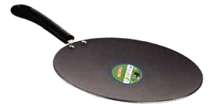
 |  | MARLEX PRODUCT LIMTED 28 A/B, Raju Industrial Estate, Penkar Pada Road, Nr. Dahisar Check Naka, P.O-Mira Road - 401104 (Thane) India. Toll Free No : 1800 223 738 Tel : 022 2848 7650 / 2897 7389 / 2896 6433 Fax No. : 91 22 28487656 GST No. 27AAACM070R1Z7 PAN No. AAACM0709R
 | Quotation
 | Customer Name : Gifting Needs |  | Sr. No. | 416
 | Address : No. 124 (old Number 123/1), 8th cross, 19th main road, Marenahalli Palya, Second phase, J.P.Nagar, Bangaluru - 560078 |  | Quotation Date | 25/08/2026
 | State : karnataka, India |  | Validity Date | 15 Days
 | Kind Attention -: Mr. Nunulal Poddar Mob - 8618967417/6361054099 Dear Madam,Thank you for providing your valuable enquiry with us and showing your kind interest in our product. Please find below details
 | Image | Product | MRP | Basic Offer Price
 |  | Product - Thalli Set (4 pcs) (Wet: 415 Grams) | Rs. 995/- | Rs.180/-
 |  | Product - Thalli Set (5 pcs) (Wet: 470 Grams) | Rs. 1125/- | Rs. 205/-
 | 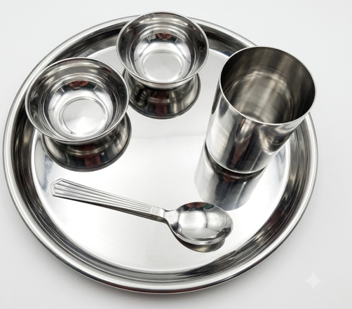 | Product - Thalli Set (5 pcs) (Wet: 520 Grams) | Rs. 1245/- | Rs. 230/-
 | 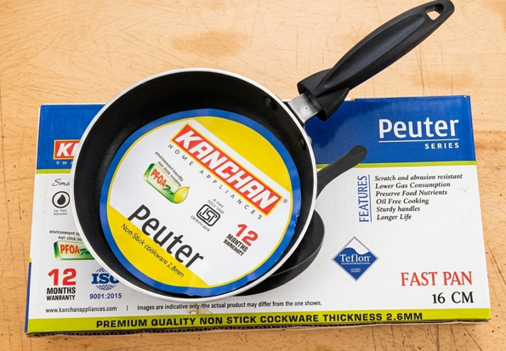 | Product - 16 Fast Pan | Rs.945/- | Rs. 250/-
 | 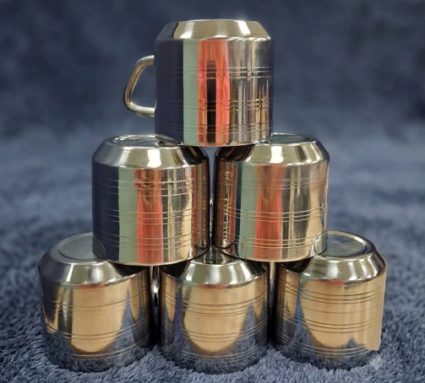 | Product - Coffee Mug (6 Pcs) | Rs. 1295/- | Rs. 285/-
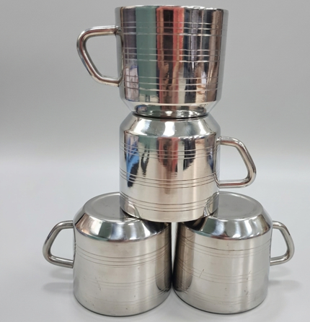 |  | Product - Coffee Mug (4 Pcs) | Rs.845/- | Rs. 195/-
 | 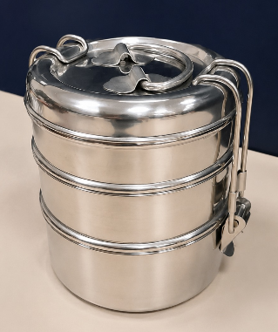 | Product - Tiffin (3 pcs ) (Wet: 440 Grams) | Rs. 1295/- | Rs.250/-
 | 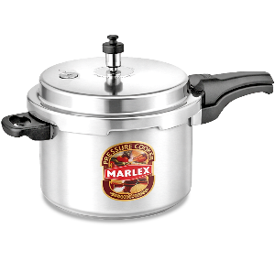 | Marlex Product - 3 Litre Aluminium Pressure Cooker (Standard) Wet:1.15 | Rs. 1595/- | Rs.700/-
 | 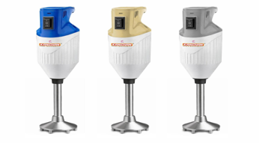 | Hand Blender Blue 180W | Rs. 1995/- | Rs. 750/-
 | 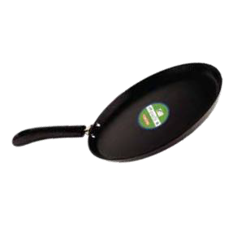 | Non- Stick Dosa Tawa - 300mm | Rs.1195/- | Rs. 600/-
 |  | Non- Stick Concave Tawa - 300mm | Rs.1195/- | Rs. 600/-

 | 5% GST will be extra
 | One Delivery
 | Payments Terms: 40% Advance on confirmation and 60% before dispatch.

